Instructions
INSTRUCTIONS FOR USE
The Stanford Head and Neck Anesthesia/Advanced Airway Management rotation curriculum has been comprehensively redesigned to produce the milestone-specific evaluation, in compliance with the new ACGME/ABA Next Accreditation System (NAS).
Our evaluation reports the educational outcomes through NAS-defined 6 core clinical competencies, which contain 25 subcompetencies (the number of subcompetencies for each competency is listed in parenthesis):
1. Medical knowledge (1)
2. Patient care and technical skills (10)
3. Interpersonal communication (3)
4. Systems-based practice (2)
5. Professionalism (5)
6. Practice-based learning and improvement (4)
Each subcompetency/competency is assessed according to the defined specific milestones/learning objectives on a 5-point numerical scale, with 0.5 point score increments (Screen shot #1, below). The scores are automatically tallied across the milestones and subcompetencies/competencies, providing a final numerical value that goes into an end-of-rotation evaluation and the resident’s file in compliance with NAS-defined 5 levels of performance. (Screen shot #2, below).
The Patient Care (PC) 6: Triage and management of the critically-ill patient in a non-operative setting and the Patient Care (PC) 7: Acute, chronic, and cancer-related pain consultation and management were not included in the Patient care subcompetencies, as these activities are not pursued during H&N anesthesia/Advanced airway training at Stanford.
In general, CA-1’s would be expected to demonstrate achieving level 2 milestones/performance throughout their first year; CA-2’s will typically demonstrate level 3 milestones throughout their second year and subspecialty rotations; a level 4 applies to graduating CA-3 residents who are ready for independent practice; and a level 5 is reserved for a senior resident who has exceeded expected milestones and is performing at the level of an experienced attending. It is expected that only a few exceptional residents will reach this level for selected milestones.
When working with the resident, each H&N anesthesia attending is expected to review the current status of the portfolio evaluation, and define which milstones/learning objectives will be covered during the OR day. After each encounter, the corresponding grades and narrative comments (if applicable) must be entered, and the portfolio evaluation must be saved on the cloud server for the use by another attending the following day.

SCREEN SHOT #1. THE MILESTONE & COMPETENCY EVALUATION
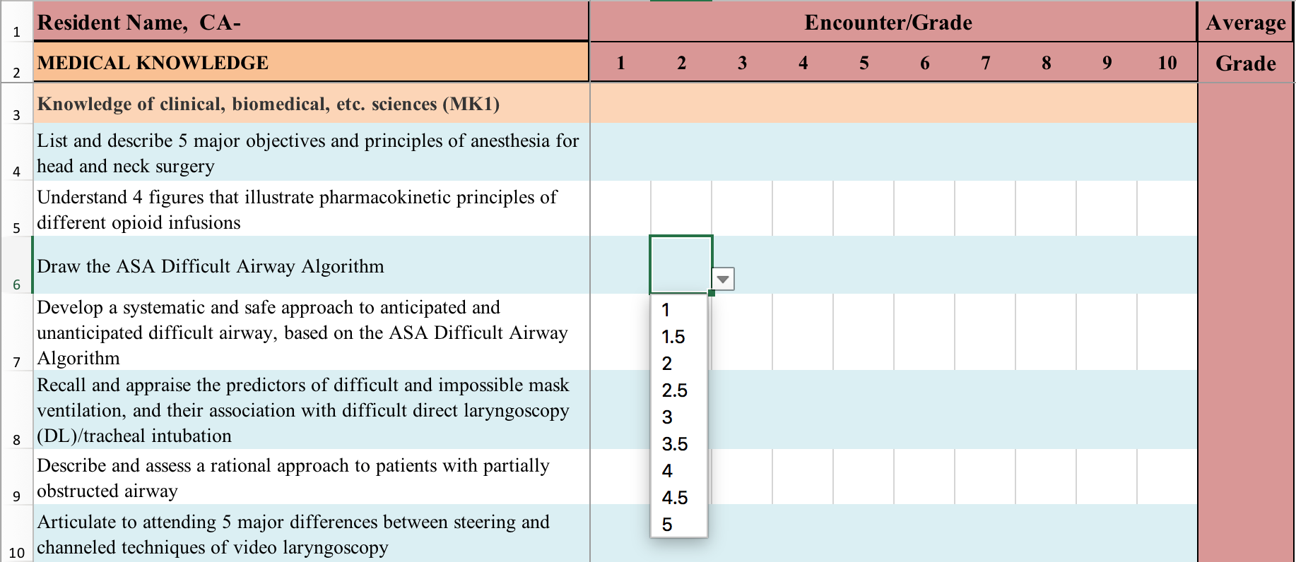

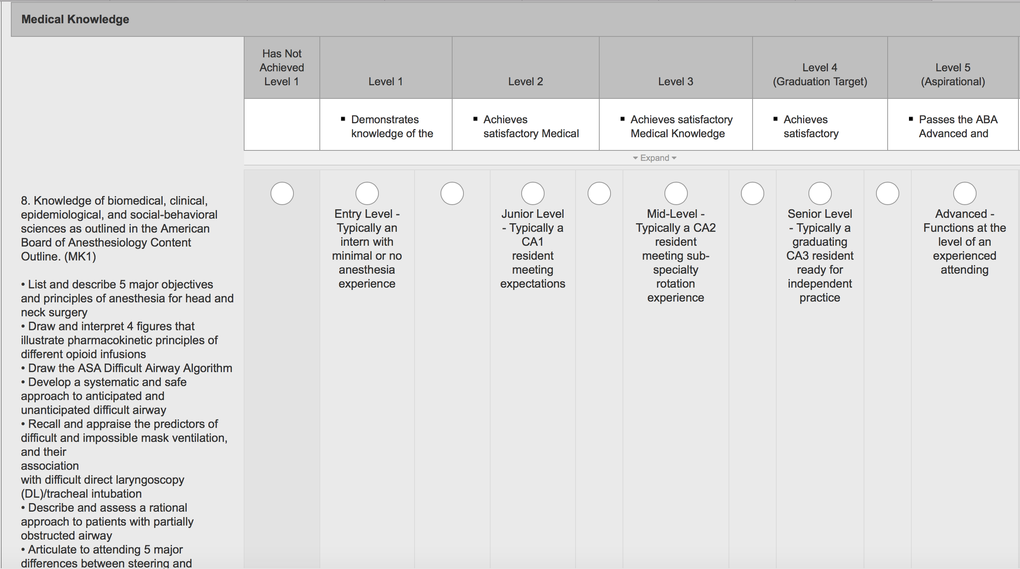
THE NAS-DEFINED LEVELS OF PERFORMANCE
⇪
CORRESPONDS TO
'1' SCORE
⇪
CORRESPONDS TO
'3.5' SCORE
SCREEN SHOT #2. THE END-OF-ROTATION FINAL EVALUATION

