Budget Template
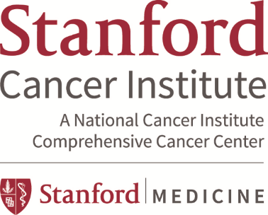

 | American Cancer Society-Stanford Cancer Institute Budget Template

Principal Investigator
Financial Manager
Award Org Code
Funding Opportunity | ACS-SCI 2020-21 Cancer Award
Period (Start/End date) | 06/01/2021-05/31/2022
Fund Year | 2021-2022
Sponsor | American Cancer Society-Stanford Cancer Institute
Project Title
SPO#

Stipends
Graduate Student |  |  |  |  |  |  |  |  | 0
Postdoctoral Assistant |  |  |  |  |  |  |  |  | 0

Registration fees for Scientific Meetings |  |  |  |  |  |  |  |  | 0

Equipment (not to exceed $2K) |  |  |  |  |  |  |  |  | 0

Travel
Domestic |  |  |  |  |  |  |  |  | 0
Foreign (Special Consideration-Canada Only) |  |  |  |  |  |  |  |  | 0

Research Supplies |  |  |  |  |  |  |  |  | 0

Technical Assistance |  |  |  |  |  |  |  |  | 0

Publication Costs (not to exceed $500) |  |  |  |  |  |  |  |  | 0

Other Miscellaneous Expenses (Speical Fees (Pathology, Photocopy, etc.) |  |  |  |  |  |  |  |  | 0
 |  |  |  |  |  |  |  |  | 0
Animal Care | (see "ANIMALS" worksheet for details) |  |  |  | 0 | cages @ | $0.000 | per diem | 0
Patient Care |  |  |  |  |  |  |  |  | 0
Subtotal Direct |  |  |  |  |  |  |  |  | 0
Total Direct |  |  |  |  |  |  |  |  | 0
OTHER | excludes consortium costs |  | FY21 | FY22 |  |  |  |  | 0
IDC |  | on-campus | 0.00% | 0.00%
Animal IDCs | inlcuded in per diem rate
Total IDC
TOTAL |  |  |  |  |  |  |  |  | $0

Notes:

